WBWorksheet
A2A Cessna 172R
Weight and Balance Worksheet

 | Qty | Weight | Arm | Moment | Aircraft Specifications
Basic Empty Weight | 1639.0 | 1639.0 | 39.1 | 64,073 | 2450.0 | = Maximum gross weight
Pilot | 170 | 170 | 37.0 | 6,290 | 1639.0 | = Basic empty weight
Co-Pilot | 170 | 170 | 37.0 | 6,290 | 64073.3 | = Aircraft Moment
Rear Passenger 1 | 170 | 170 | 73.0 | 12,410 | 811.0 | = Useful load
Rear Passenger 2 | 170 | 170 | 73.0 | 12,410 | 120 | = Baggage maximum
Baggage Area 1 | 10 | 10 | 95.0 | 950 | 56 | = Fuel max gal
Oil * | 1 | 1 | 123.0 | 123 | 35 | 1500 | = CG, Wgt 1st point in envelope
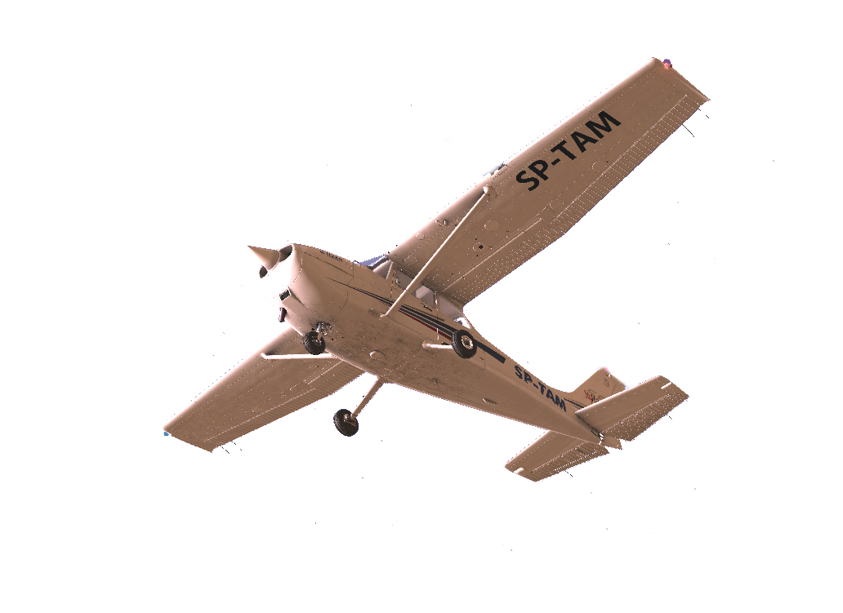
Fuel Gal. (56 Max) | 20 | 120 | 48.0 | 5,760 | 35 | 1950 | = CG, Wgt 2nd point in envelope
Totals |  | 2450 | 44.2 | 108,306 | 40 | 2450 | = CG, Wgt 3rd point in envelope
Underweight by: | 0.0 |  |  |  | 47 | 2450 | = CG, Wgt 4th point in envelope
Warnings: |  |  |  |  | 47 | 1500 | = CG, Wgt 5th point in envelope
 |  |  |  |  | 37 | 2100 | = CG, Wgt 1st point in 2nd envelope
 |  |  |  |  | 41 | 2100 | = CG, Wgt 2nd point in 2nd envelope
 |  |  |  |  | 41 | 1500 | = CG, Wgt 3rd point in 2nd envelope
 |  |  |  |  | 1639 | 39.09 | 64073.30
* 1 US Quart = ~0,25 lbs >>> 6 US Quarts = 1,5lbs (use "," comma) |  |  |  |  | 1809 | 38.90 | 70363.30
 |  |  |  |  | 1979 | 38.73 | 76653.30
V speeds (units in KIAS) |  |  |  |  | 2149 | 41.44 | 89063.30
Vne= 163 | Vno= 129 |  |  |  | 2319 | 43.76 | 101473.30
Va= 99-82 | Vfe= 85 |  | FALSE | = C.G. too far fwd | 2329 | 43.98 | 102423.30
Vs= 44 | Vso= 33 |  | FALSE | = C.G. fwd of 2nd segment | 2330 | 44.01 | 102546.30
Vy= 79 | Vx= 60 |  | FALSE | = C.G. fwd of 3nd segment | 2450 | 44.21 | 108306.30
Rotate= 55 | Best glide speed= 65 |  |  | 4.2

